Top 10 highest and Lowest Films
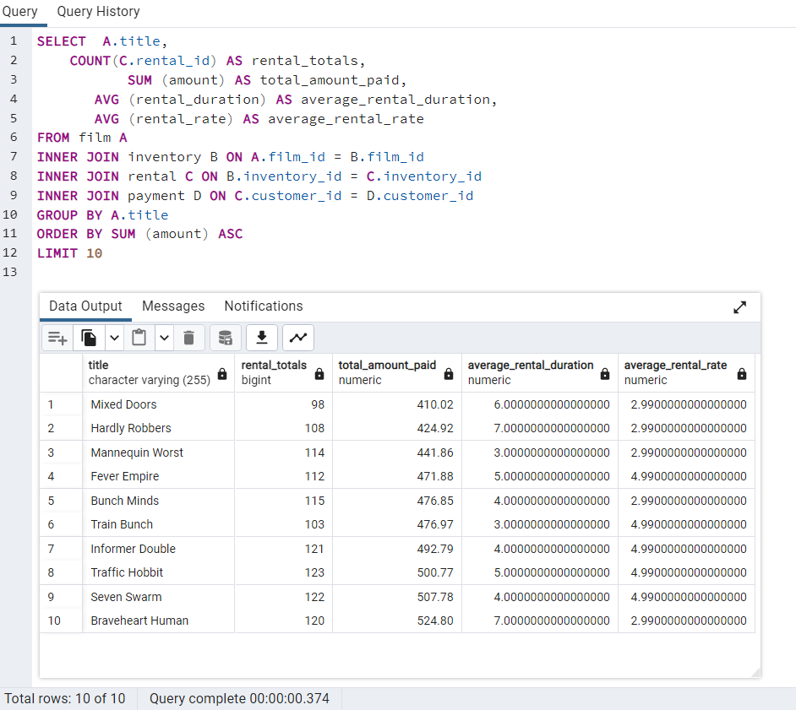
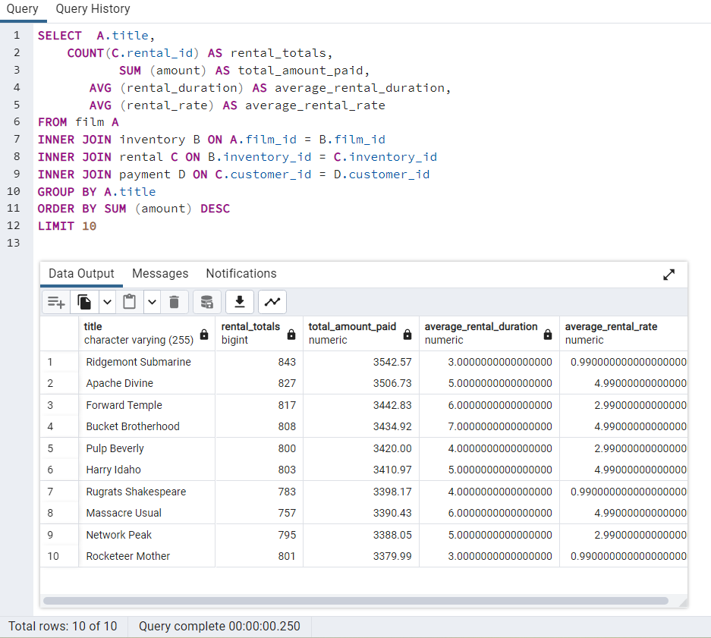
SELECT | A.title, | SELECT | A.title,
 | COUNT(C.rental_id) AS rental_totals, |  | COUNT(C.rental_id) AS rental_totals,
 | SUM (amount) AS total_amount_paid, |  | SUM (amount) AS total_amount_paid,
 | AVG (rental_duration) AS average_rental_duration, |  | AVG (rental_duration) AS average_rental_duration,
 | AVG (rental_rate) AS average_rental_rate |  | AVG (rental_rate) AS average_rental_rate
FROM film A |  | FROM film A
INNER JOIN inventory B ON A.film_id = B.film_id |  | INNER JOIN inventory B ON A.film_id = B.film_id
INNER JOIN rental C ON B.inventory_id = C.inventory_id |  | INNER JOIN rental C ON B.inventory_id = C.inventory_id
INNER JOIN payment D ON C.customer_id = D.customer_id |  | INNER JOIN payment D ON C.customer_id = D.customer_id
GROUP BY A.title |  | GROUP BY A.title
ORDER BY SUM (amount) ASC |  | ORDER BY SUM (amount) ASC
LIMIT 10 |  | LIMIT 10

Top 10 lowest films |  | Top 10 Highest films

All Category Revenue
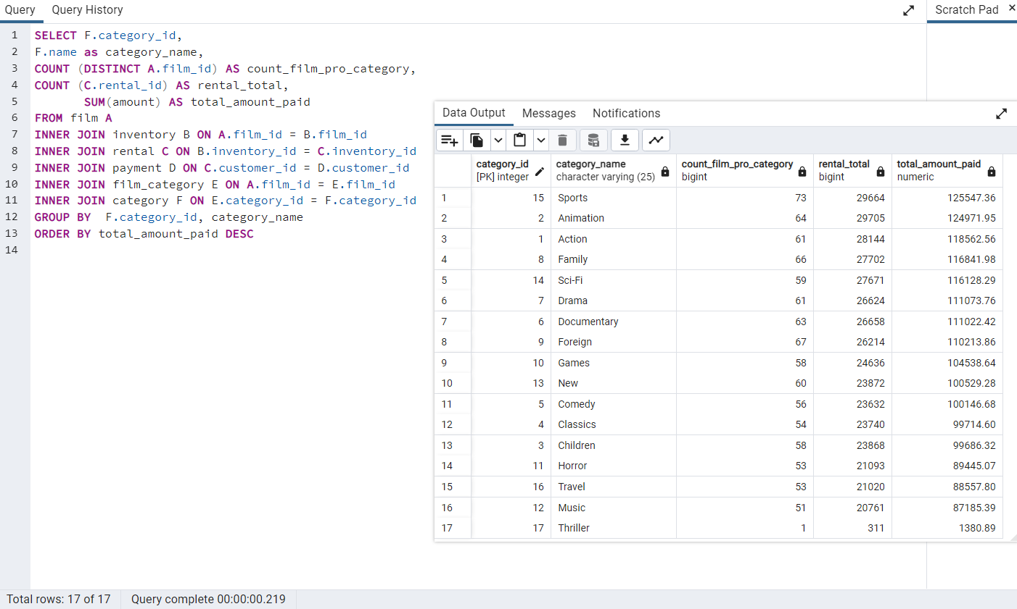
SELECT F.category_id,
F.name as category_name,
COUNT (DISTINCT A.film_id) AS count_film_pro_category,
COUNT (C.rental_id) AS rental_total,
SUM(amount) AS total_amount_paid
FROM film A
INNER JOIN inventory B ON A.film_id = B.film_id
INNER JOIN rental C ON B.inventory_id = C.inventory_id
INNER JOIN payment D ON C.customer_id = D.customer_id
INNER JOIN film_category E ON A.film_id = E.film_id
INNER JOIN category F ON E.category_id = F.category_id
GROUP BY F.category_id, category_name
ORDER BY total_amount_paid DESC

All Category Revenue

Average rental
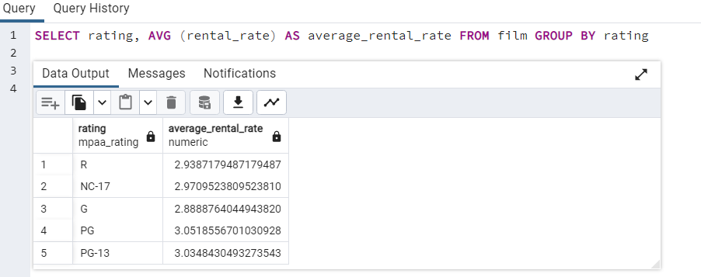
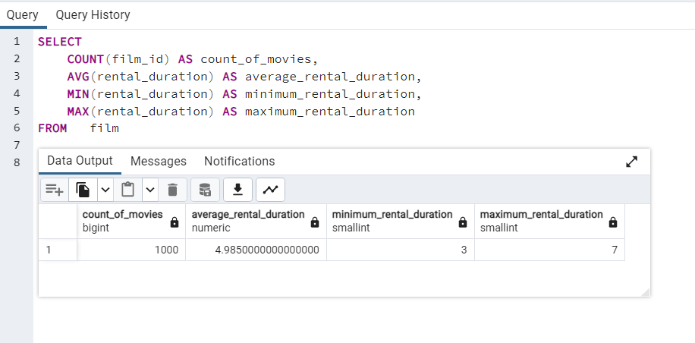
SELECT
 | COUNT(film_id) AS count_of_movies,
 | AVG(rental_duration) AS average_rental_duration,
 | MIN(rental_duration) AS minimum_rental_duration,
 | MAX(rental_duration) AS maximum_rental_duration
FROM film

Avg rental times

SELECT rating, AVG (rental_rate) AS average_rental_rate FROM film GROUP BY rating

MPAA average rental

Top 10 Countries Revenue
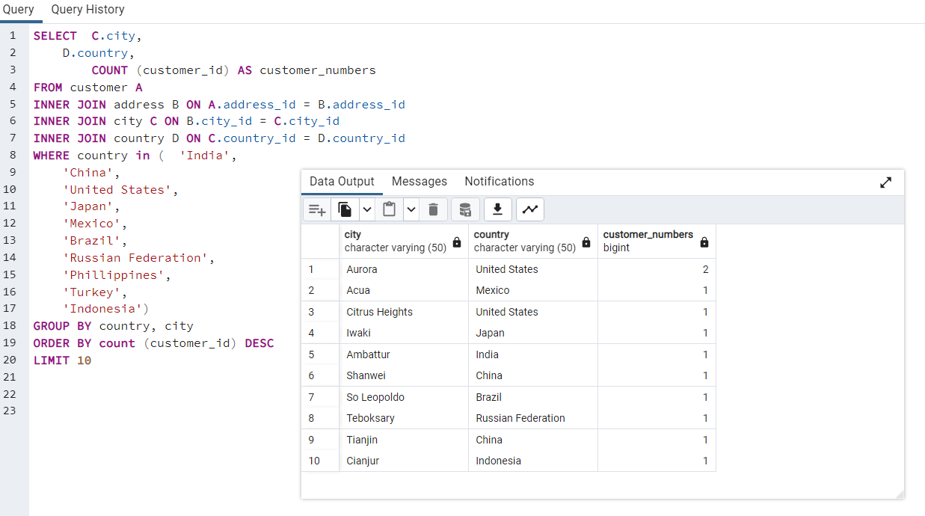
SELECT | C.city,
 | D.country,
 | COUNT (customer_id) AS customer_numbers
FROM customer A
INNER JOIN address B ON A.address_id = B.address_id
INNER JOIN city C ON B.city_id = C.city_id
INNER JOIN country D ON C.country_id = D.country_id
WHERE country in ( | 'India',
 | 'China',
 | 'United States',
 | 'Japan',
 | 'Mexico',
 | 'Brazil',
 | 'Russian Federation',
 | 'Phillippines',
 | 'Turkey',
 | 'Indonesia')
GROUP BY country, city
ORDER BY count (customer_id) DESC
LIMIT 10

Top 10 countries highest revenue

Top 5 Customers from Top cities
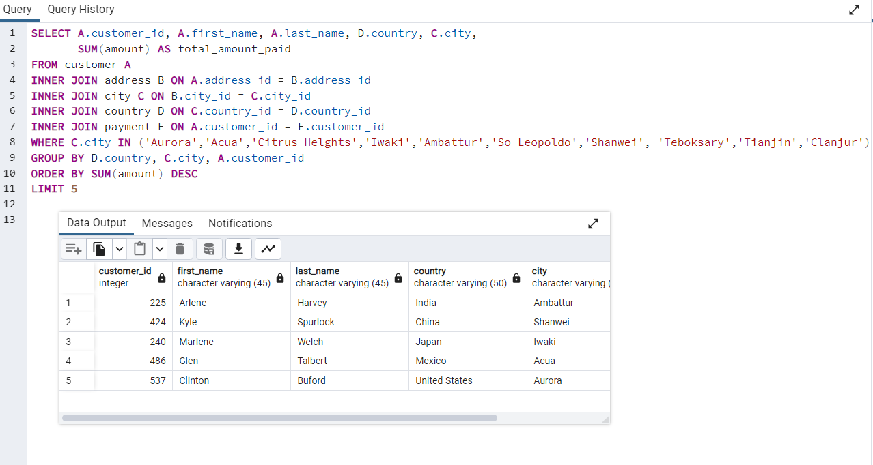
SELECT A.customer_id, A.first_name, A.last_name, D.country, C.city,
SUM(amount) AS total_amount_paid
FROM customer A
INNER JOIN address B ON A.address_id = B.address_id
INNER JOIN city C ON B.city_id = C.city_id
INNER JOIN country D ON C.country_id = D.country_id
INNER JOIN payment E ON A.customer_id = E.customer_id
WHERE C.city IN ('Aurora','Acua','Citrus Helghts','Iwaki','Ambattur','So Leopoldo','Shanwei', 'Teboksary','Tianjin','Clanjur')
GROUP BY D.country, C.city, A.customer_id
ORDER BY SUM(amount) DESC
LIMIT 5

Top 5 customers from top 10 cities

